Your Results
Days Simulation (25 TRIALS)
 |  | Days to finish | Days to Finish | Instance Count
 | Pair 1 - Trial 1 | 30 | 17 | 1
 | Pair 1 - Trial 2 | 21 | 18 | 0
 | Pair 1 - Trial 3 | 20 | 19 | 0
 | Pair 1 - Trial 4 | 24 | 20 | 1
 | Pair 1 - Trial 5 | 24 | 21 | 4
 | Pair 2 - Trial 1 | 34 | 22 | 5
 | Pair 2 - Trial 2 | 22 | 23 | 1
 | Pair 2 - Trial 3 | 28 | 24 | 2
 | Pair 2 - Trial 4 | 31 | 25 | 1
 | Pair 2 - Trial 5 | 21 | 26 | 2
 | Pair 3 - Trial 1 | 29 | 27 | 2
 | Pair 3 - Trial 2 | 25 | 28 | 1
 | Pair 3 - Trial 3 | 21 | 29 | 1
 | Pair 3 - Trial 4 | 26 | 30 | 2
 | Pair 3 - Trial 5 | 27 | 31 | 1
 | Pair 4 - Trial 1 | 23 | 32 | 0
 | Pair 4 - Trial 2 | 21 | 33 | 0
 | Pair 4 - Trial 3 | 17 | 34 | 1
 | Pair 4 - Trial 4 | 22
 | Pair 4 - Trial 5 | 22
 | Pair 5 - Trial 1 | 26
 | Pair 5 - Trial 2 | 22
 | Pair 5 - Trial 3 | 22
 | Pair 5 - Trial 4 | 27
 | Pair 5 - Trial 5 | 30

 |  | Days to finish
Percentile | 50th | 24
Percentile | 70th | 27
Percentile | 85th | 29
Percentile | 95th | 31
Fastest | MIN | 17
Slowest | MAX | 34
Average | MEAN | 25

Graph
Days Simulation (25 Trials)
Days Simulation (100 Trials)
Days Simulation (1,000 Trials)
Days to Finish | Instance Count |  |  |  |  | Days to Read | Instance Count |  |  |  |  | Days to Read | Instance Count
17 | 1 |  |  |  |  | 1 | 0 |  |  |  |  | 1 | 0
18 | 0 |  |  |  |  | 2 | 0 |  |  |  |  | 2 | 0
19 | 0 |  |  |  |  | 3 | 0 |  |  |  |  | 3 | 0
20 | 1 |  |  |  |  | 4 | 0 |  |  |  |  | 4 | 0
21 | 4 |  |  |  |  | 5 | 0 |  |  |  |  | 5 | 0
22 | 5 |  |  |  |  | 6 | 0 |  |  |  |  | 6 | 0
23 | 1 |  |  |  |  | 7 | 0 |  |  |  |  | 7 | 0
24 | 2 |  |  |  |  | 8 | 0 |  |  |  |  | 8 | 0
25 | 1 |  |  |  |  | 9 | 0 |  |  |  |  | 9 | 0
26 | 2 |  |  |  |  | 10 | 0 |  |  |  |  | 10 | 0
27 | 2 |  |  |  |  | 11 | 0 |  |  |  |  | 11 | 0
28 | 1 |  |  |  |  | 12 | 0 |  |  |  |  | 12 | 0
29 | 1 |  |  |  |  | 13 | 0 |  |  |  |  | 13 | 0
30 | 2 |  |  |  |  | 14 | 0 |  |  |  |  | 14 | 1
31 | 1 |  |  |  |  | 15 | 1 |  |  |  |  | 15 | 2
32 | 0 |  |  |  |  | 16 | 1 |  |  |  |  | 16 | 7
33 | 0 |  |  |  |  | 17 | 2 |  |  |  |  | 17 | 13
34 | 1 |  |  |  |  | 18 | 4 |  |  |  |  | 18 | 26
 |  |  |  |  |  | 19 | 4 |  |  |  |  | 19 | 41
 |  |  |  |  |  | 20 | 3 |  |  |  |  | 20 | 61
 |  |  |  |  |  | 21 | 4 |  |  |  |  | 21 | 65
 |  |  |  |  |  | 22 | 11 |  |  |  |  | 22 | 93
 |  |  |  |  |  | 23 | 10 |  |  |  |  | 23 | 108
 |  |  |  |  |  | 24 | 12 |  |  |  |  | 24 | 110
 |  |  |  |  |  | 25 | 8 |  |  |  |  | 25 | 112
 |  |  |  |  |  | 26 | 7 |  |  |  |  | 26 | 92
 |  |  |  |  |  | 27 | 12 |  |  |  |  | 27 | 78
 |  |  |  |  |  | 28 | 8 |  |  |  |  | 28 | 69
 |  |  |  |  |  | 29 | 4 |  |  |  |  | 29 | 44
 |  |  |  | Days Reading | Done Date | 30 | 4 |  |  | Days Reading | Done Date | 30 | 28 |  |  | Days Reading | Done Date
 |  | Percentile | 50th | 24 | 2025-07-05 | 31 | 3 | Percentile | 50th | 23 | 2025-07-04 | 31 | 24 | Percentile | 50th | 23 | 2025-07-04
 |  | Percentile | 70th | 27 | 2025-07-07 19:12:00 | 32 | 0 | Percentile | 70th | 26 | 2025-07-07 | 32 | 9 | Percentile | 70th | 25 | 2025-07-06
 |  | Percentile | 85th | 29 | 2025-07-10 09:36:00 | 33 | 0 | Percentile | 85th | 27 | 2025-07-08 | 33 | 3 | Percentile | 85th | 27 | 2025-07-08
 |  | Percentile | 95th | 31 | 2025-07-11 19:12:00 | 34 | 1 | Percentile | 95th | 30 | 2025-07-11 | 34 | 5 | Percentile | 95th | 30 | 2025-07-11
 |  | Fastest | MIN | 17 | 2025-06-28 | 35 | 0 | Fastest | MIN | 15 | 2025-06-26 | 35 | 3 | Fastest | MIN | 14 | 2025-06-25
 |  | Slowest | MAX | 34 | 2025-07-15 | 36 | 1 | Slowest | MAX | 36 | 2025-07-17 | 36 | 5 | Slowest | MAX | 37 | 2025-07-18
 |  | Average | MEAN | 25 | 2025-07-06 | 37 | 0 | Average | MEAN | 25 | 2025-07-06 | 37 | 1 | Average | MEAN | 25 | 2025-07-06
 |  |  |  |  |  | 38 | 0 |  |  |  |  | 38 | 0
 |  |  |  |  |  | 39 | 0 |  |  | How Common? | Done Date | 39 | 0 |  | Days Reading | How Common? | Done Date
 |  |  |  |  |  | 40 | 0 | Most Common | 24 | 24% | 2025-07-05 | 40 | 0 | Most Common | 25 | 11% | 2025-07-06
 |  |  |  |  |  | 41 | 0 |  |  |  |  | 41 | 0
 |  |  |  |  |  | 42 | 0 |  |  |  |  | 42 | 0
 |  |  |  |  |  | 43 | 0 |  |  |  |  | 43 | 0
 |  |  |  |  |  | 44 | 0 |  |  |  |  | 44 | 0
 |  |  |  |  |  | 45 | 0 |  |  |  |  | 45 | 0
 |  |  |  |  |  | 46 | 0 |  |  |  |  | 46 | 0
 |  |  |  |  |  | 47 | 0 |  |  |  |  | 47 | 0
 |  |  |  |  |  | 48 | 0 |  |  |  |  | 48 | 0
 |  |  |  |  |  | 49 | 0 |  |  |  |  | 49 | 0
 |  |  |  |  |  | 50 | 0 |  |  |  |  | 50 | 0

Throughput
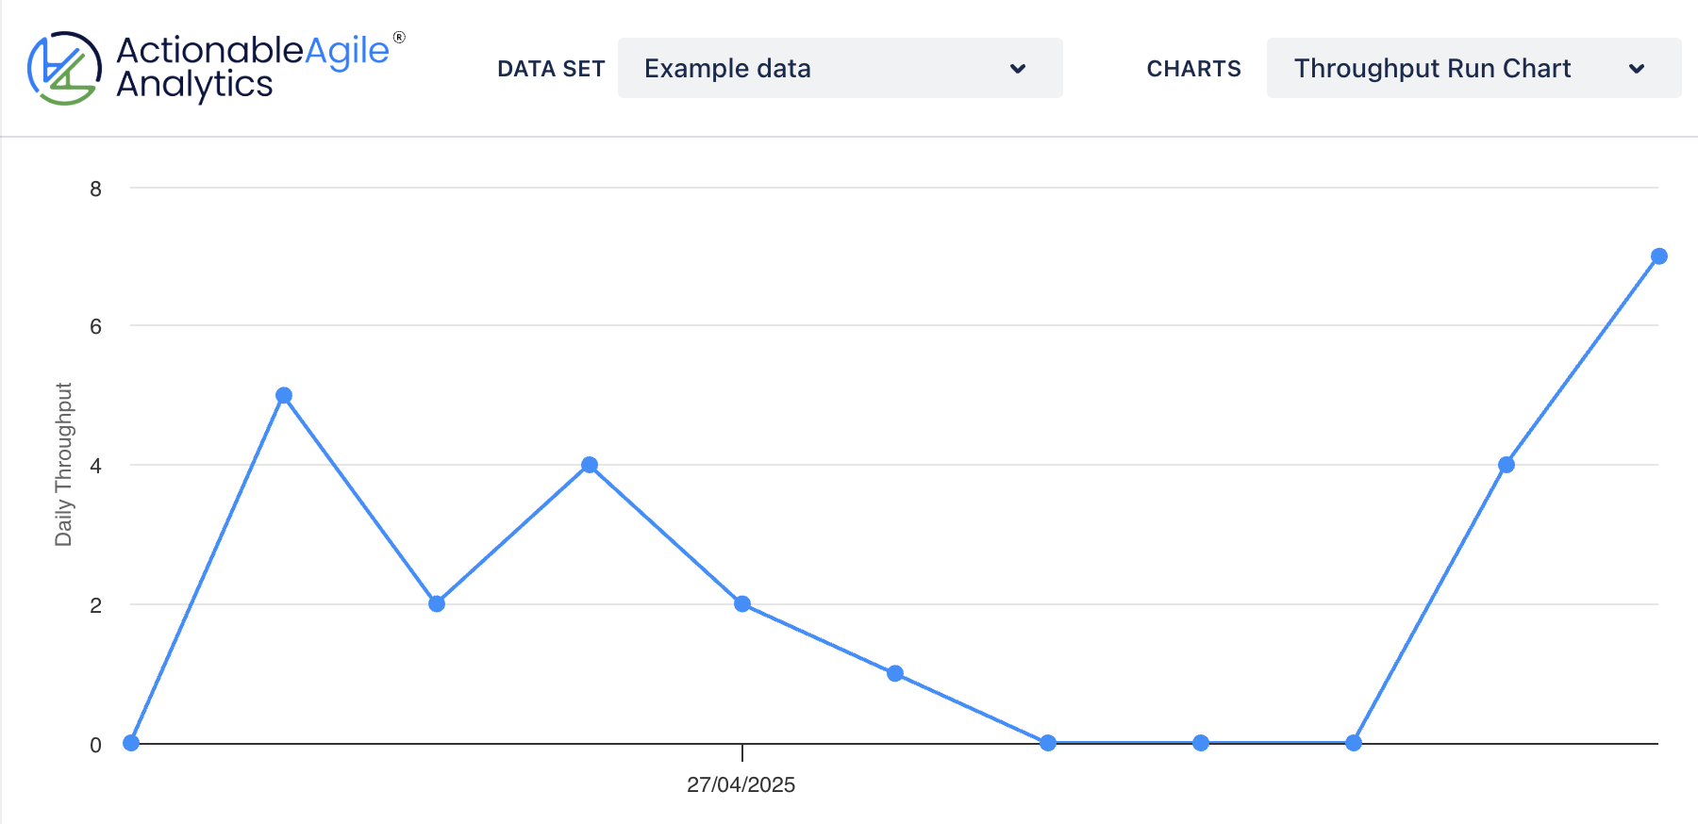
Date | Throughput
2025-05-30 | 4
2025-05-31 | 6
2025-06-01 | 7
2025-06-02 | 0
2025-06-03 | 8
2025-06-04 | 22
2025-06-05 | 0
2025-06-06 | 14
2025-06-07 | 8
2025-06-08 | 3
2025-06-09 | 4
2025-06-10 | 9

